HA574 ROSE
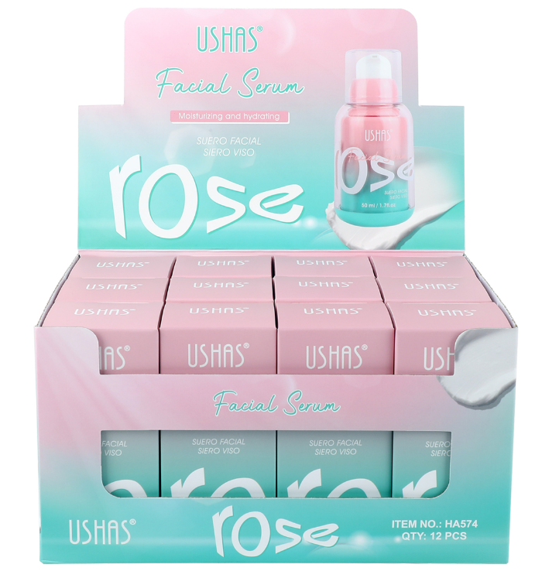
ROSE FACIAL SERUM - INGREDIENT LIST
No. | CTFA INCI Name | CAS NO | PURPOSE | HA574 ROSE
1 | WATER | 7732-18-5 | Solvent | 81.56080
2 | ROSA RUGOSA FLOWER EXTRACT | 92347-25-6 | Skin Conditioner | 4.94100
3 | BUTYLENE GLYCOL | 107-88-0 | Humectant | 3.01000
4 | CYCLOPENTASILOXANE | 541-02-6 | Emollient | 2.00000
5 | PANTHENOL | 81-13-0 | Humectant | 1.12500
6 | BETAINE | 107-43-7 | Humectant | 1.00000
7 | BUTYROSPERMUM PARKII (SHEA) BUTTER | 91080-23-8;194043-92-0 | Emollient | 1.00000
8 | CAPRYLIC/CAPRIC TRIGLYCERIDE | 73398-61-5 | Emollient | 1.00000
9 | SODIUM ACRYLATE/SODIUM ACRYLOYLDIMETHYL TAURATE COPOLYMER | 77019-71-7 | Viscosity Controlling | 0.80000
10 | DIPROPYLENE GLYCOL | 110-98-5;25265-71-8 | Humectant | 0.75000
11 | PEG-20 METHYL GLUCOSE SESQUISTEARATE |  | Emulsifying | 0.70000
12 | HYDROXYACETOPHENONE | 99-93-4 | Antioxidant | 0.48750
13 | PEG-100 STEARATE | 9004-99-3 | Emulsifying | 0.35000
14 | BEHENYL ALCOHOL | 661-19-8 | Emulsifying | 0.30000
15 | RASPBERRY KETONE | 5471-51-2 | Skin Conditioner | 0.30000
16 | FRAGRANCE |  | Perfuming | 0.20000
17 | GLYCERYL STEARATE | 123-94-4;11099-07-3;31566-31-1;85666-92-8 | Emulsifying | 0.15000
18 | CARBOMER | 2594322 | Viscosity Controlling | 0.10000
19 | DISODIUM EDTA | 139-33-3 | Chelating Agent | 0.04500
20 | 1,2-HEXANEDIOL | 6920-22-5 | Humectant | 0.03750
21 | GLYCERIN | 56-81-5 | Emollient | 0.03000
22 | SODIUM HYDROXIDE | 1310-73-2 | PH Regulator | 0.02500
23 | PANAX GINSENG ROOT EXTRACT | 50647-08-0 | Skin Conditioner | 0.01900
24 | CENTELLA ASIATICA EXTRACT | 84696-21-9;84776-24-9 | Skin Conditioner | 0.01900
25 | CAMELLIA SINENSIS LEAF EXTRACT | 84650-60-2 | Skin Conditioner | 0.01900
26 | DAUCUS CAROTA SATIVA (CARROT) ROOT EXTRACT | 84929-61-3 | Skin Conditioner | 0.01500
27 | PROPYLENE GLYCOL | 57-55-6 | Humectant | 0.01000
28 | PHENOXYETHANOL | 122-99-6 | Preservative | 0.00580
29 | ETHYLHEXYLGLYCERIN | 70445-33-9 | Humectant | 0.00040
Sub (W/W%) |  |  |  | 100.00000
INGREDIENTS: WATER, ROSA RUGOSA FLOWER EXTRACT, BUTYLENE GLYCOL, CYCLOPENTASILOXANE, PANTHENOL, BETAINE, BUTYROSPERMUM PARKII (SHEA) BUTTER, CAPRYLIC/CAPRIC TRIGLYCERIDE, SODIUM ACRYLATE/SODIUM ACRYLOYLDIMETHYL TAURATE COPOLYMER, DIPROPYLENE GLYCOL, PEG-20 METHYL GLUCOSE SESQUISTEARATE, HYDROXYACETOPHENONE, PEG-100 STEARATE, BEHENYL ALCOHOL, RASPBERRY KETONE, FRAGRANCE, GLYCERYL STEARATE, CARBOMER, DISODIUM EDTA, 1,2-HEXANEDIOL, GLYCERIN, SODIUM HYDROXIDE, PANAX GINSENG ROOT EXTRACT, CENTELLA ASIATICA EXTRACT, CAMELLIA SINENSIS LEAF EXTRACT, DAUCUS CAROTA SATIVA (CARROT) ROOT EXTRACT, PROPYLENE GLYCOL, PHENOXYETHANOL, ETHYLHEXYLGLYCERIN.

HA575 HYALURONATE ACID
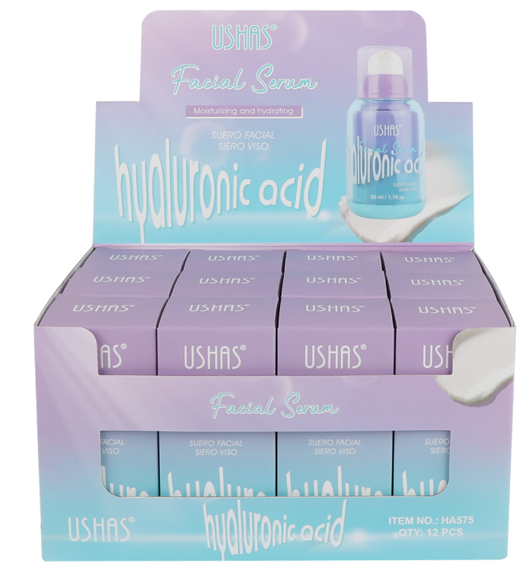
HYALURONATE ACID FACIAL SERUM - INGREDIENT LIST
No. | CTFA INCI Name | CAS NO | PURPOSE | HA575 HYALURONATE ACID
1 | WATER | 7732-18-5 | Solvent | 81.38800
2 | ROSA RUGOSA FLOWER EXTRACT | 92347-25-6 | Skin Conditioner | 4.92500
3 | BUTYLENE GLYCOL | 107-88-0 | Humectant | 3.01000
4 | CYCLOPENTASILOXANE | 541-02-6 | Emollient | 2.00000
5 | PANTHENOL | 81-13-0 | Humectant | 1.12500
6 | BETAINE | 107-43-7 | Humectant | 1.00000
7 | BUTYROSPERMUM PARKII (SHEA) BUTTER | 91080-23-8;194043-92-0 | Emollient | 1.00000
8 | CAPRYLIC/CAPRIC TRIGLYCERIDE | 73398-61-5 | Emollient | 1.00000
9 | SODIUM ACRYLATE/SODIUM ACRYLOYLDIMETHYL TAURATE COPOLYMER | 77019-71-7 | Viscosity Controlling | 0.80000
10 | DIPROPYLENE GLYCOL | 110-98-5;25265-71-8 | Humectant | 0.75000
11 | PEG-20 METHYL GLUCOSE SESQUISTEARATE |  | Emulsifying | 0.70000
12 | HYDROXYACETOPHENONE | 99-93-4 | Antioxidant | 0.48750
13 | PEG-100 STEARATE | 9004-99-3 | Emulsifying | 0.35000
14 | BEHENYL ALCOHOL | 661-19-8 | Emulsifying | 0.30000
15 | RASPBERRY KETONE | 5471-51-2 | Skin Conditioner | 0.30000
16 | SODIUM HYALURONATE | 9067-32-7 | Humectant | 0.20000
17 | FRAGRANCE |  | Perfuming | 0.20000
18 | GLYCERYL STEARATE | 123-94-4;11099-07-3;31566-31-1;85666-92-8 | Emulsifying | 0.15000
19 | CARBOMER | 9003-01-4 | Viscosity Controlling | 0.10000
20 | DISODIUM EDTA | 139-33-3 | Chelating Agent | 0.04500
21 | 1,2-HEXANEDIOL | 6920-22-5 | Humectant | 0.03750
22 | GLYCERIN | 56-81-5 | Emollient | 0.03000
23 | SODIUM HYDROXIDE | 1310-73-2 | PH Regulator | 0.02500
24 | PANAX GINSENG ROOT EXTRACT | 50647-08-0 | Skin Conditioner | 0.01900
25 | CENTELLA ASIATICA EXTRACT | 84696-21-9;84776-24-9 | Skin Conditioner | 0.01900
26 | CAMELLIA SINENSIS LEAF EXTRACT | 84650-60-2 | Skin Conditioner | 0.01900
27 | DAUCUS CAROTA SATIVA (CARROT) ROOT EXTRACT | 84929-61-3 | Skin Conditioner | 0.01500
28 | PHENOXYETHANOL | 122-99-6 | Preservative | 0.00480
29 | ETHYLHEXYLGLYCERIN | 70445-33-9 | Humectant | 0.00020
Sub (W/W%) |  |  |  | 100.00000
INGREDIENTS: WATER, ROSA RUGOSA FLOWER EXTRACT, BUTYLENE GLYCOL, CYCLOPENTASILOXANE, PANTHENOL, BETAINE, BUTYROSPERMUM PARKII (SHEA) BUTTER, CAPRYLIC/CAPRIC TRIGLYCERIDE, SODIUM ACRYLATE/SODIUM ACRYLOYLDIMETHYL TAURATE COPOLYMER, DIPROPYLENE GLYCOL, PEG-20 METHYL GLUCOSE SESQUISTEARATE, HYDROXYACETOPHENONE, PEG-100 STEARATE, BEHENYL ALCOHOL, RASPBERRY KETONE, SODIUM HYALURONATE, FRAGRANCE, GLYCERYL STEARATE, CARBOMER, DISODIUM EDTA, 1,2-HEXANEDIOL, GLYCERIN, SODIUM HYDROXIDE, PANAX GINSENG ROOT EXTRACT, CENTELLA ASIATICA EXTRACT, CAMELLIA SINENSIS LEAF EXTRACT, DAUCUS CAROTA SATIVA (CARROT) ROOT EXTRACT, PHENOXYETHANOL, ETHYLHEXYLGLYCERIN.

